User Story
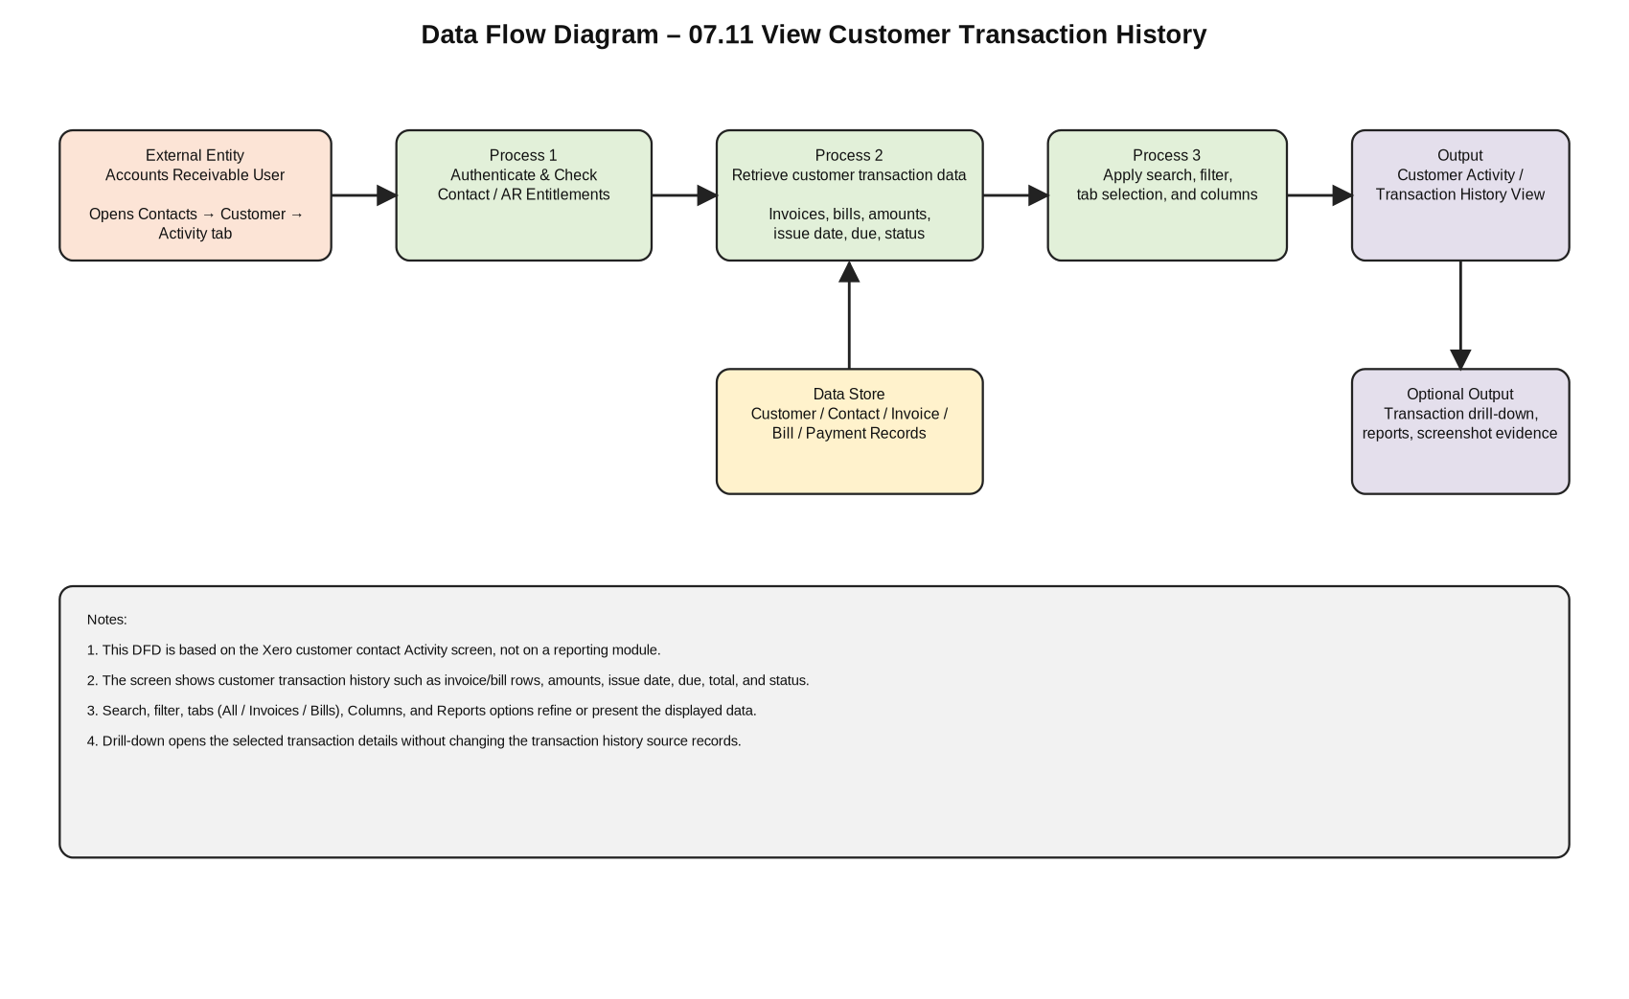
User Story – 07.11 View Customer Transaction History

Feature ID | 07.11
Feature Name | View Customer Transaction History
Module | 07 - Accounts Receivable / Contacts
User Story | As an Accounts Receivable user, I want to view a customer’s transaction history from the contact activity page so that I can review invoices, bills, balances, overdue amounts, and payment status for that customer.
Business Objective | Provide a single customer-level activity view that supports receivables follow-up, customer account review, and transaction verification.
Primary Actor | Accounts Receivable user / accounting user
Trigger | User opens a customer/contact record and selects the Activity tab.
Preconditions | User is logged into Xero Demo Company and has permission to view contacts and customer transaction activity.
Main Success Scenario | The customer activity page loads and displays summary balances plus transaction rows for the selected customer.
Acceptance Criteria 1 | The selected customer/contact name and Activity tab are visible.
Acceptance Criteria 2 | The transaction history table displays available invoice/bill rows with number, reference, date, due, total, and status fields.
Acceptance Criteria 3 | Summary amounts such as invoices owed and overdue amount are visible and consistent with the displayed customer transactions.
Acceptance Criteria 4 | Search/filter/columns controls can be used without changing source transaction data.
Out of Scope | Creating invoices, editing contact details, recording payment, allocating credit, changing bill/invoice status, and report generation outside the activity screen.
RCT Crosscuts in Scope | ET-Entitlements, CL-Calculations, CN-Connectivity, DF-In, Core Functionality, GUI Features.

